Sheet1
USER | PREPROCESS | POSTPROCESS | METHOD | VAL ACC | ACCURACY
Shukla1101 |  |  | CNN + LSTM | na | na
Sneha-at | undersampling (imblearn) with window sizes |  | 2D CNN + LSTM | 0.99 | 0.899
asse1997 | window size, batch size |  | LSTM with cyclic learning rate | na | na
rhushikeshprabhune | sample elimanation (class 0) |  | LSTM | 0.9 | na
ashnayak | SMOTe (imblearn - nearmiss), nearest neighbour interpolation |  | random forest + GridSearch | na | na
isha pathania | 6 to 24 dimensions, standard scaler, adasyn, window sizes for 3d |  | bi-lstm | 0.85
vigneshsab | smote, mode in window size, class weight |  | LSTM | 0.95
parimalmehta | SMOTE, interpolating data using numpy (for data augmentation) |  | 1D CNN (15 model ensemble) + weighted categorical corss entorpy

Experiments |  | Results
 | Weighted SVM | Training was taking a lot of time
 | Weighted RF | 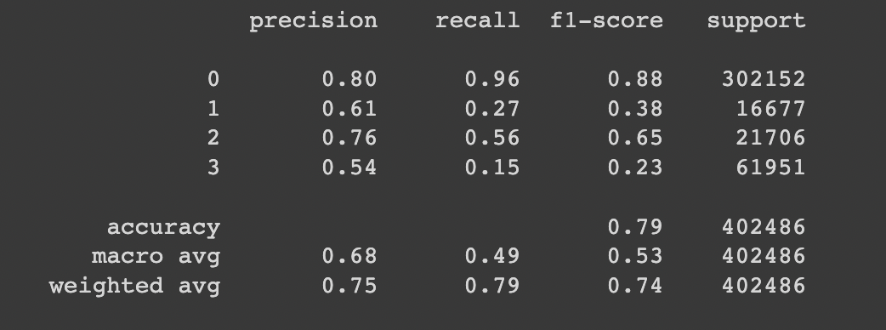
 | Imblearn - SMOTE + RandomUnderSampler + RandomForest | 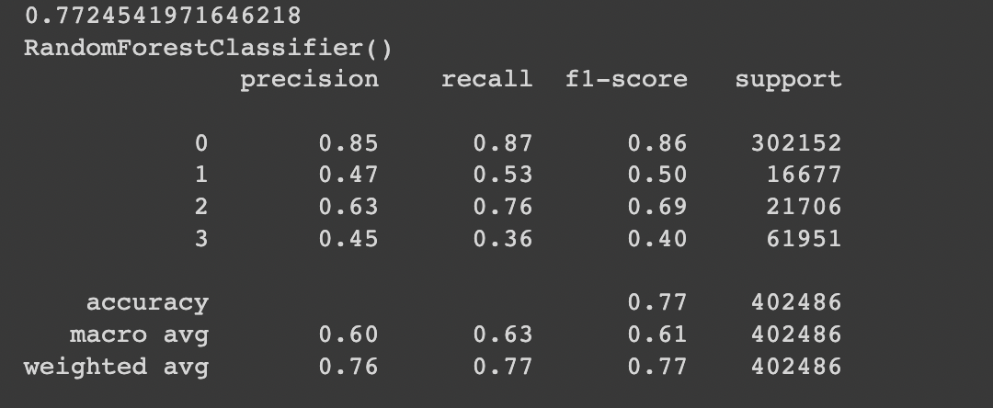
 | Imblearn - SMOTE + RandomUnderSampler + GradientBoost
 | Imblearn - SMOTE + RandomUnderSampler + AdaBoost | 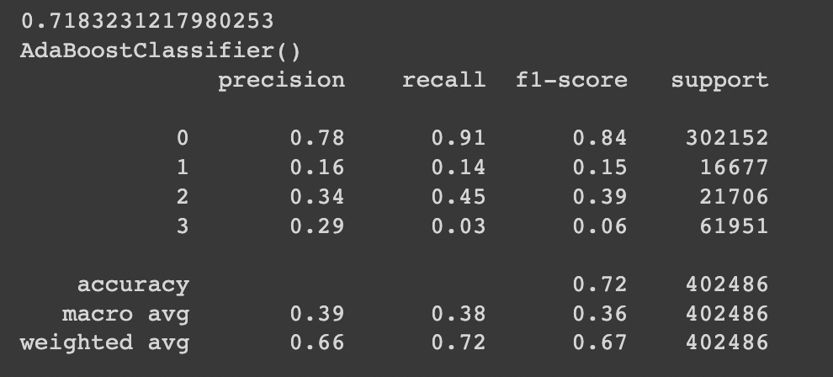
 | Imblearn - SMOTE + Tomek Links + RandomForest (entropy criterion)
 | Imblearn - SMOTE + ENN + RandomForest | 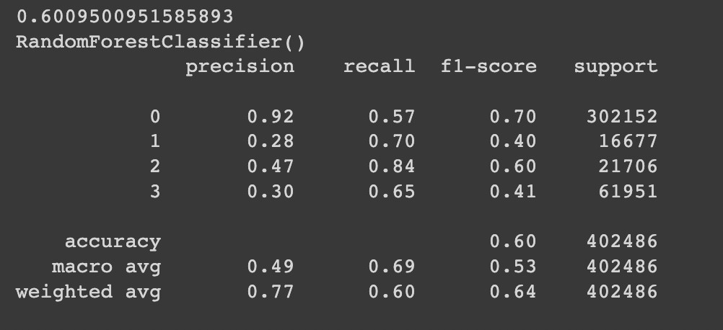
 | Imblearn - RandomUnderSampling + RandomForest | 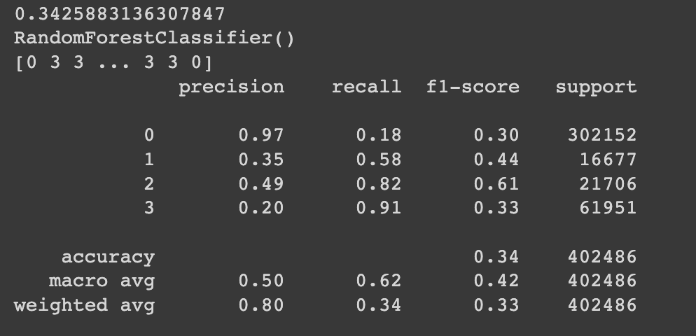
 | Imblearn - RandomOverSampling + RandomForest | 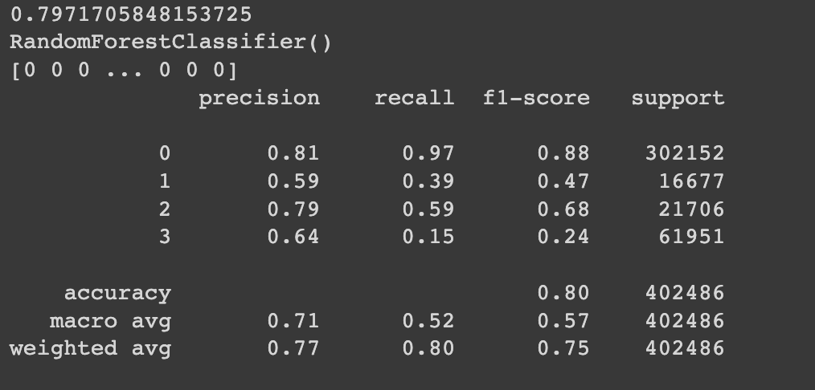
 | Imblearn - SMOTE + RandomForest | 